1_SP_results_stat_correlations
 | [1a] SP correlations - general summary |  |  |  |  |  |  |  | [1b] SP correlations, cont. - same as [1a], aggregated to now / 5 mins / 10 mins |  |  |  | [2a] SP results - charts | [2b] charts - same as [2a], duplicated

Need to arrive on-time?
 | NOW | wait 5 mins | wait 10 mins
YES | 84% | 12% | 4%
NO | 59% | 23% | 18%
 | 0% | 0% | 0%
YES | 43% | 33% | 24%
NO | 15% | 25% | 60%
trip frequency
 | NOW | wait 5 mins | wait 10 mins
5-7 days / week | 72% | 21% | 7%
2-4 days / week | 77% | 15% | 7%
1 day / week | 55% | 5% | 39%
less frequently | 59% | 22% | 20%
 | 0%
 | 0% | 0% | 0%
5-7 / week | 31% | 26% | 42%
2-4 / week | 28% | 34% | 38%
1 / week | 14% | 29% | 58%
less frequently | 22% | 24% | 54%
trip frequency
 | CASE (A): 3 vs. 2 |  |  |  | CASE (B): 4 vs. 3 |  |  |  |  | CASE (A): 3 vs. 2
 | scenario (1) |  | scenario (2) |  | scenario (3) |  | scenario (4) |  | time-criticality | NOW | wait 5 mins | wait 10 mins
time-criticality | dep 1 - [NOW] | dep 2 - [wait 10 mins] | dep 1 - [NOW] | dep 2 - [wait 5 mins] | dep 1 - [NOW] | dep 2 - [wait 10 mins] | dep 1 - [NOW] | dep 2 - [wait 5 mins]
 |  |  |  |  |  |  |  |  | YES | 84% | 12% | 4%
YES - I am in a hurry | 96% | 4% | 84% | 16% | 76% | 24% | 43% | 57% | NO | 59% | 23% | 18%
NO - I need not arrive on-time | 82% | 18% | 59% | 41% | 40% | 60% | 15% | 85% |  | CASE (B): 4 vs. 3
 |  |  |  |  |  |  |  |  |  | NOW | wait 5 mins | wait 10 mins

 |  |  |  |  |  |  |  |  | YES | 43% | 33% | 24%
 |  |  |  |  |  |  |  |  | NO | 15% | 25% | 60%

 | scenario (1) |  | scenario (2) |  | scenario (3) |  | scenario (4) |  |  | CASE (A): 3 vs. 2
trip frequency | dep 1 - [NOW] | dep 2 - [wait 10 mins] | dep 1 - [NOW] | dep 2 - [wait 5 mins] | dep 1 - [NOW] | dep 2 - [wait 10 mins] | dep 1 - [NOW] | dep 2 - [wait 5 mins] | trip frequency | NOW | wait 5 mins | wait 10 mins

1 day / week | 61% | 39% | 55% | 45% | 42% | 58% | 14% | 86% | 5-7 days / week | 72% | 21% | 7%
2-4 days / week | 93% | 7% | 77% | 23% | 62% | 38% | 28% | 72% | 2-4 days / week | 77% | 15% | 7%
5-7 days / week | 93% | 7% | 72% | 28% | 58% | 42% | 31% | 69% | 1 day / week | 55% | 5% | 39%
trip purpose
 | NOW | wait 5 mins | wait 10 mins
H -> Work | 79% | 15% | 6%
H -> Education | 90% | 10% | 0%
H -> Leisure | 52% | 19% | 29%
Work -> H | 74% | 14% | 12%
Education -> H | 64% | 31% | 5%
Leisure -> H | 31% | 17% | 51%
Non-Home-Based | 80% | 14% | 6%
 | 0%
 | 0% | 0% | 0%
H -> Work | 46% | 27% | 26%
H -> Education | 35% | 32% | 32%
H -> Leisure | 10% | 5% | 86%
Work -> H | 15% | 38% | 47%
Education -> H | 22% | 26% | 52%
Leisure -> H | 6% | 17% | 77%
Non-Home-Based | 32% | 36% | 32%
less frequently | 80% | 20% | 59% | 41% | 46% | 54% | 22% | 78% | less frequently | 59% | 22% | 20%
 |  |  |  |  |  |  |  |  |  | CASE (B): 4 vs. 3
trip purpose
 |  |  |  |  |  |  |  |  |  | NOW | wait 5 mins | wait 10 mins

 |  |  |  |  |  |  |  |  | 5-7 / week | 31% | 26% | 42%
 |  |  |  |  |  |  |  |  | 2-4 / week | 28% | 34% | 38%
 |  |  |  |  |  |  |  |  | 1 / week | 14% | 29% | 58%
 |  |  |  |  |  |  |  |  | less frequently | 22% | 24% | 54%

 | scenario (1) |  | scenario (2) |  | scenario (3) |  | scenario (4) |  |  | CASE (A): 3 vs. 2
trip purpose | dep 1 - [NOW] | dep 2 - [wait 10 mins] | dep 1 - [NOW] | dep 2 - [wait 5 mins] | dep 1 - [NOW] | dep 2 - [wait 10 mins] | dep 1 - [NOW] | dep 2 - [wait 5 mins] | trip purpose | NOW | wait 5 mins | wait 10 mins

H -> Work | 94% | 6% | 79% | 21% | 74% | 26% | 46% | 54% | H -> Work | 79% | 15% | 6%
H -> Education | 100% | 0% | 90% | 10% | 68% | 32% | 35% | 65% | H -> Education | 90% | 10% | 0%
H -> Leisure | 71% | 29% | 52% | 48% | 14% | 86% | 10% | 90% | H -> Leisure | 52% | 19% | 29%
Work -> H | 88% | 12% | 74% | 26% | 53% | 47% | 15% | 85% | Work -> H | 74% | 14% | 12%
Education -> H | 95% | 5% | 64% | 36% | 48% | 52% | 22% | 78% | Education -> H | 64% | 31% | 5%
Leisure -> H | 49% | 51% | 31% | 69% | 23% | 77% | 6% | 94% | Leisure -> H | 31% | 17% | 51%
Non-Home-Based | 94% | 6% | 80% | 20% | 68% | 32% | 32% | 68% | Non-Home-Based | 80% | 14% | 6%
 |  |  |  |  |  |  |  |  |  | CASE (B): 4 vs. 3
 |  |  |  |  |  |  |  |  |  | NOW | wait 5 mins | wait 10 mins

 |  |  |  |  |  |  |  |  | H -> Work | 46% | 27% | 26%
 |  |  |  |  |  |  |  |  | H -> Education | 35% | 32% | 32%
 |  |  |  |  |  |  |  |  | H -> Leisure | 10% | 5% | 86%
respondent's age
 |  |  |  |  |  |  |  |  | Work -> H | 15% | 38% | 47%
 |  |  |  |  |  |  |  |  | Education -> H | 22% | 26% | 52%
 |  |  |  |  |  |  |  |  | Leisure -> H | 6% | 17% | 77%
 | CASE (A): 3 vs. 2 |  |  |  | CASE (B): 4 vs. 3 |  |  |  | Non-Home-Based | 32% | 36% | 32%
 | scenario (1) |  | scenario (2) |  | scenario (3) |  | scenario (4) |  |  | CASE (A): 3 vs. 2
journey time
 | NOW | wait 5 mins | wait 10 mins
< 10 mins | 78% | 16% | 7%
10 - 20 mins | 72% | 18% | 10%
20 - 30 mins | 68% | 20% | 13%
> 30 mins | 61% | 18% | 22%
 | 0%
 | 0% | 0% | 0%
< 10 mins | 47% | 16% | 37%
10 - 20 mins | 22% | 38% | 41%
20 - 30 mins | 21% | 26% | 53%
> 30 mins | 28% | 27% | 45%
journey time | dep 1 - [NOW] | dep 2 - [wait 10 mins] | dep 1 - [NOW] | dep 2 - [wait 5 mins] | dep 1 - [NOW] | dep 2 - [wait 10 mins] | dep 1 - [NOW] | dep 2 - [wait 5 mins] | journey time | NOW | wait 5 mins | wait 10 mins
service frequency
 | NOW | wait 5 mins | wait 10 mins
≤ 5 mins | 78% | 16% | 6%
6 - 10 mins | 74% | 18% | 8%
> 10 mins | 57% | 21% | 23%
 | 0%
 | 0% | 0% | 0%
≤ 5 mins | 47% | 23% | 30%
6 - 10 mins | 22% | 35% | 43%
> 10 mins | 18% | 22% | 60%
< 10 mins | 93% | 7% | 78% | 22% | 63% | 37% | 47% | 53% | < 10 mins | 78% | 16% | 7%
10 - 20 mins | 90% | 10% | 72% | 28% | 59% | 41% | 22% | 78% | 10 - 20 mins | 72% | 18% | 10%
20 - 30 mins | 87% | 13% | 68% | 32% | 47% | 53% | 21% | 79% | 20 - 30 mins | 68% | 20% | 13%
> 30 mins | 78% | 22% | 61% | 39% | 55% | 45% | 28% | 72% | > 30 mins | 61% | 18% | 22%
 |  |  |  |  |  |  |  |  |  | CASE (B): 4 vs. 3
 |  |  |  |  |  |  |  |  |  | NOW | wait 5 mins | wait 10 mins

 |  |  |  |  |  |  |  |  | < 10 mins | 47% | 16% | 37%
 |  |  |  |  |  |  |  |  | 10 - 20 mins | 22% | 38% | 41%
 |  |  |  |  |  |  |  |  | 20 - 30 mins | 21% | 26% | 53%
 |  |  |  |  |  |  |  |  | > 30 mins | 28% | 27% | 45%
 | scenario (1) |  | scenario (2) |  | scenario (3) |  | scenario (4) |  |  | CASE (A): 3 vs. 2
service frequency | dep 1 - [NOW] | dep 2 - [wait 10 mins] | dep 1 - [NOW] | dep 2 - [wait 5 mins] | dep 1 - [NOW] | dep 2 - [wait 10 mins] | dep 1 - [NOW] | dep 2 - [wait 5 mins] | service frequency | NOW | wait 5 mins | wait 10 mins

< 5 mins | 94% | 6% | 78% | 22% | 70% | 30% | 47% | 53% | ≤ 5 mins | 78% | 16% | 6%
5 - 10 mins | 92% | 8% | 74% | 26% | 57% | 43% | 22% | 78% | 6 - 10 mins | 74% | 18% | 8%
> 10 mins | 77% | 23% | 57% | 43% | 40% | 60% | 18% | 82% | > 10 mins | 57% | 21% | 23%
 |  |  |  |  |  |  |  |  |  | CASE (B): 4 vs. 3
 |  |  |  |  |  |  |  |  |  | NOW | wait 5 mins | wait 10 mins

 |  |  |  |  |  |  |  |  | ≤ 5 mins | 47% | 23% | 30%
 |  |  |  |  |  |  |  |  | 6 - 10 mins | 22% | 35% | 43%
 |  |  |  |  |  |  |  |  | > 10 mins | 18% | 22% | 60%
 | scenario (1) |  | scenario (2) |  | scenario (3) |  | scenario (4) |  |  | CASE (A): 3 vs. 2
age | dep 1 - [NOW] | dep 2 - [wait 10 mins] | dep 1 - [NOW] | dep 2 - [wait 5 mins] | dep 1 - [NOW] | dep 2 - [wait 10 mins] | dep 1 - [NOW] | dep 2 - [wait 5 mins] | age | NOW | wait 5 mins | wait 10 mins

respondent's age
 | NOW | wait 5 mins | wait 10 mins
< 25 y/old | 77% | 19% | 4%
26 - 40 y/old | 76% | 16% | 8%
41 - 50 y/old | 73% | 22% | 5%
51 - 65 y/old | 50% | 22% | 28%
> 65 y/old | 28% | 14% | 58%
 | 0%
 | 0% | 0% | 0%
< 25 y/old | 33% | 26% | 41%
26 - 40 y/old | 25% | 44% | 32%
41 - 50 y/old | 35% | 19% | 46%
51 - 65 y/old | 22% | 17% | 61%
> 65 y/old | 6% | 6% | 89%
18 - 25 lat | 96% | 4% | 77% | 23% | 59% | 41% | 33% | 67% | < 25 y/old | 77% | 19% | 4%
26 - 40 lat | 92% | 8% | 76% | 24% | 68% | 32% | 25% | 75% | 26 - 40 y/old | 76% | 16% | 8%
41 - 50 lat | 95% | 5% | 73% | 27% | 54% | 46% | 35% | 65% | 41 - 50 y/old | 73% | 22% | 5%
51 - 65 lat | 72% | 28% | 50% | 50% | 39% | 61% | 22% | 78% | 51 - 65 y/old | 50% | 22% | 28%
> 65 lat | 42% | 58% | 28% | 72% | 11% | 89% | 6% | 94% | > 65 y/old | 28% | 14% | 58%
 |  |  |  |  |  |  |  |  |  | CASE (B): 4 vs. 3
 |  |  |  |  |  |  |  |  |  | NOW | wait 5 mins | wait 10 mins

 |  |  |  |  |  |  |  |  | < 25 y/old | 33% | 26% | 41%
 |  |  |  |  |  |  |  |  | 26 - 40 y/old | 25% | 44% | 32%
 |  |  |  |  |  |  |  |  | 41 - 50 y/old | 35% | 19% | 46%
 |  |  |  |  |  |  |  |  | 51 - 65 y/old | 22% | 17% | 61%
 |  |  |  |  |  |  |  |  | > 65 y/old | 6% | 6% | 89%

 |  |  |  |  |  |  |  |  |  | CASE (A): 3 vs. 2
 |  |  |  |  |  |  |  |  | age | NOW | wait 5 mins | wait 10 mins

 |  |  |  |  |  |  |  |  | < 50 y/old | 76% | 19% | 5%
 |  |  |  |  |  |  |  |  | 51 - 65 y/old | 50% | 22% | 28%
 |  |  |  |  |  |  |  |  | > 65 y/old | 28% | 14% | 58%

2_general_summary
1. general summary of SP results (Q9a - Q11b)

[Q9a] CASE (A), scenario (1) | answers [%] | answers [count]
departure 1 - [NOW] | 88% | 333
departure 2 - [wait 10 mins] | 12% | 44
 |  | total:
 |  | 377 |  | (chart)
[Q9b] CASE (A), scenario (2) | answers [%] | answers [count] |  |  | 5 mins | 10 mins
departure 1 - [NOW] | 70% | 265 | CASE (A) | 3 vs 2 | 30% | 12%
departure 2 - [wait 5 mins] | 30% | 112 | CASE (B) | 4 vs 3 | 72% | 44%
 |  | total: | CASE (C) | 4 vs 2 | 75% | 45%
 |  | 377
[Q10a] CASE (B), scenario (3) | answers [%] | answers [count]
departure 1 - [NOW] | 56% | 210
departure 2 - [wait 10 mins] | 44% | 165
 |  | total:
 |  | 375
[Q10b] CASE (B), scenario (4) | answers [%] | answers [count]
departure 1 - [NOW] | 28% | 103
departure 2 - [wait 5 mins] | 72% | 271
 |  | total:
 |  | 374
[Q11a] CASE (C), scenario (5) | answers [%] | answers [count]
departure 1 - [NOW] | 55% | 205
departure 2 - [wait 10 mins] | 45% | 168
 |  | total:
 |  | 373
[Q11b] CASE (C), scenario (6) | answers [%] | answers [count]
departure 1 - [NOW] | 25% | 94
departure 2 - [wait 5 mins] | 75% | 279
 |  | total:
 |  | 373

2. summary of passengers' crowding experience (questions 1 - 2)

[Q1] How often do you experience on-board overcrowding in your public transport (PT) trips in Krakow? | answers [%] | answers [count]
1 - NEVER | 1% | 5
2 - rarely | 17% | 66
3 - sometimes | 41% | 160
4 - often | 37% | 145
5 - ALWAYS | 3% | 13
 | total: | 389

[Q2] How often do you experience the following PT crowding conditions in your urban PT trips in Krakow?

[Q2a] fully overcrowded, was denied the boarding | answers [%] | answers [count]
1 - NEVER | 36% | 141
2 - rarely | 39% | 150
3 - sometimes | 20% | 79
4 - often | 5% | 19
5 - ALWAYS | 0%
 | total: | 389
[Q2b] high overcrowding – had to stand uncomfortably, no grip, no freedom of movement | answers [%] | answers [count]
1 - NEVER | 5% | 18
2 - rarely | 20% | 76
3 - sometimes | 32% | 125
4 - often | 41% | 161
5 - ALWAYS | 2% | 9
 | total: | 389
[Q2c] moderate crowding – had to stand, but ‘comfortably’ – grip, free movement | answers [%] | answers [count]
1 - NEVER | 0%
2 - rarely | 10% | 38
3 - sometimes | 36% | 140
4 - often | 50% | 195
5 - ALWAYS | 4% | 16
 | total: | 389
[Q2d] last few seats available, managed to get one of them | answers [%] | answers [count]
1 - NEVER | 1% | 2
2 - rarely | 20% | 78
3 - sometimes | 46% | 178
4 - often | 31% | 119
5 - ALWAYS | 3% | 12
 | total: | 389
[Q2e] empty trip – multiple seats available | answers [%] | answers [count]
1 - NEVER | 13% | 52
2 - rarely | 57% | 220
3 - sometimes | 24% | 94
4 - often | 6% | 22
5 - ALWAYS | 0%
 | total: | 388

3. question 8 results (what crowding conditions am I expecting now?)

[Q8] What on-board conditions do you expect for your current PT trip? | answers [%] | answers [count]
[c] will stand ‘comfortably’ | 47% | 178
[a] will not be able to board the 1st departure | 0% | 1
[e] don’t know | 3% | 11
[d] will get a seat | 37% | 139
[b] will have to stand uncomfortably | 13% | 50
 |  | total:
 |  | 379

4. question 12 results (would you like to have RTCI?)

[Q12] Do you think you might need such real-time crowding information for your PT trips in Krakow? | answers [%] | answers [count]
1 - definitely NOT | 1% | 4
2 - rather not | 2% | 7
3 - neutral (don't know) | 23% | 77
4 - rather yes | 43% | 143
5 - definitely YES | 30% | 99
 |  | total:
 |  | 330

3_SP_vs_pastcrowding_experience
SP choices vs. past crowding experience |  |  |  |  |  |  |  |  |  |  |  | 3. plotted as heatmaps
1. [absolute] answers |  |  |  |  |  | 2. [%] answers |  |  |  |  |  | CASE (A) | CASE (B)

[Q1] How often do you experience on-board overcrowding in your public transport (PT) trips in Krakow?
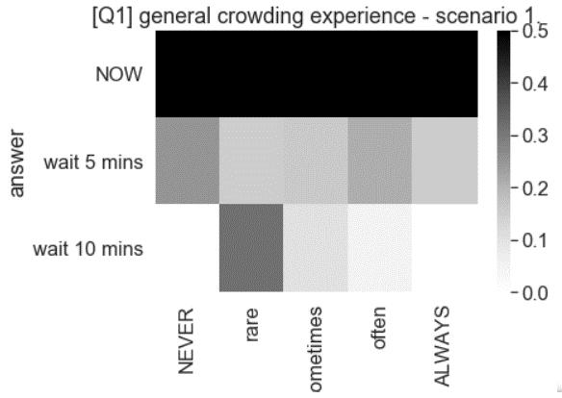
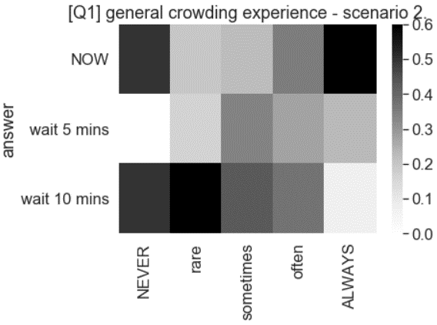
Q1 | CASE (A): 3 vs. 2 |  |  |  |  | Q1 | CASE (A): 3 vs. 2
[answers] | 1 - NEVER | 2 - rarely | 3 - sometimes | 4 - often | 5 - ALWAYS | [% answers] | 1 - NEVER | 2 - rarely | 3 - sometimes | 4 - often | 5 - ALWAYS
NOW | 18 | 210 | 684 | 630 | 66 | NOW | 75% | 53% | 74% | 74% | 85%
wait 5 mins | 6 | 60 | 150 | 180 | 12 | wait 5 mins | 25% | 15% | 16% | 21% | 15%
wait 10 mins | 0 | 126 | 96 | 42 | 0 | wait 10 mins | 0% | 32% | 10% | 5% | 0%

Q1 | CASE (B): 4 vs. 3 |  |  |  |  | Q1 | CASE (B): 4 vs. 3
 | 1 - NEVER | 2 - rarely | 3 - sometimes | 4 - often | 5 - ALWAYS | [% answers] | 1 - NEVER | 2 - rarely | 3 - sometimes | 4 - often | 5 - ALWAYS
NOW | 12 | 78 | 210 | 300 | 54 | NOW | 50% | 20% | 23% | 35% | 69%
wait 5 mins | 0 | 66 | 318 | 234 | 18 | wait 5 mins | 0% | 17% | 34% | 27% | 23%
wait 10 mins | 12 | 252 | 402 | 318 | 6 | wait 10 mins | 50% | 64% | 43% | 37% | 8%

[Q2a] fully overcrowded, was denied the boarding

Q2a | CASE (A): 3 vs. 2 |  |  |  |  | Q2a | CASE (A): 3 vs. 2
 | 1 - NEVER | 2 - rarely | 3 - sometimes | 4 - often | 5 - ALWAYS | [% answers] | 1 - NEVER | 2 - rarely | 3 - sometimes | 4 - often | 5 - ALWAYS
NOW | 588 | 606 | 330 | 84 | 0 | NOW | 72% | 69% | 70% | 78% | 0%
wait 5 mins | 108 | 180 | 108 | 12 | 0 | wait 5 mins | 13% | 21% | 23% | 11% | 0%
wait 10 mins | 126 | 90 | 36 | 12 | 0 | wait 10 mins | 15% | 10% | 8% | 11% | 0%

Q2a | CASE (B): 4 vs. 3 |  |  |  |  | Q2a | CASE (B): 4 vs. 3
 | 1 - NEVER | 2 - rarely | 3 - sometimes | 4 - often | 5 - ALWAYS | [% answers] | 1 - NEVER | 2 - rarely | 3 - sometimes | 4 - often | 5 - ALWAYS
NOW | 222 | 216 | 150 | 66 | 0 | NOW | 27% | 25% | 32% | 61% | 0%
wait 5 mins | 198 | 282 | 144 | 12 | 0 | wait 5 mins | 24% | 32% | 30% | 11% | 0%
wait 10 mins | 402 | 378 | 180 | 30 | 0 | wait 10 mins | 49% | 43% | 38% | 28% | 0%

[Q2b] high overcrowding – had to stand uncomfortably, no grip, no freedom of movement
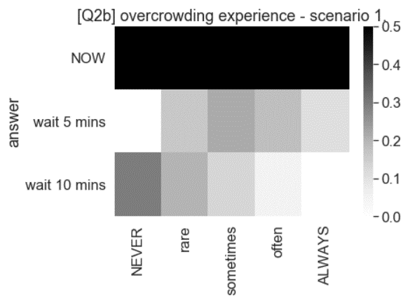
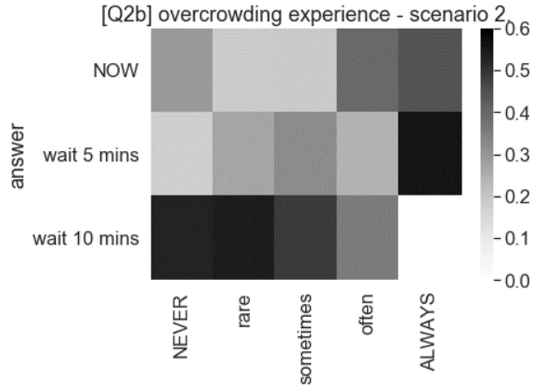
Q2b | CASE (A): 3 vs. 2 |  |  |  |  | Q2b | CASE (A): 3 vs. 2
 | 1 - NEVER | 2 - rarely | 3 - sometimes | 4 - often | 5 - ALWAYS | [% answers] | 1 - NEVER | 2 - rarely | 3 - sometimes | 4 - often | 5 - ALWAYS
NOW | 72 | 282 | 474 | 732 | 48 | NOW | 71% | 64% | 65% | 77% | 89%
wait 5 mins | 0 | 72 | 156 | 174 | 6 | wait 5 mins | 0% | 16% | 21% | 18% | 11%
wait 10 mins | 30 | 90 | 96 | 48 | 0 | wait 10 mins | 29% | 20% | 13% | 5% | 0%

Q2b | CASE (B): 4 vs. 3 |  |  |  |  | Q2b | CASE (B): 4 vs. 3
 | 1 - NEVER | 2 - rarely | 3 - sometimes | 4 - often | 5 - ALWAYS | [% answers] | 1 - NEVER | 2 - rarely | 3 - sometimes | 4 - often | 5 - ALWAYS
NOW | 30 | 84 | 138 | 378 | 24 | NOW | 29% | 19% | 19% | 40% | 44%
wait 5 mins | 18 | 120 | 234 | 234 | 30 | wait 5 mins | 18% | 27% | 32% | 25% | 56%
wait 10 mins | 54 | 240 | 354 | 342 | 0 | wait 10 mins | 53% | 54% | 49% | 36% | 0%

[Q2c] moderate crowding – had to stand, but ‘comfortably’ – grip, free movement

Q2c | CASE (A): 3 vs. 2 |  |  |  |  | Q2c | CASE (A): 3 vs. 2
 | 1 - NEVER | 2 - rarely | 3 - sometimes | 4 - often | 5 - ALWAYS | [% answers] | 1 - NEVER | 2 - rarely | 3 - sometimes | 4 - often | 5 - ALWAYS
NOW | 0 | 150 | 480 | 912 | 66 | NOW | 0% | 66% | 60% | 79% | 73%
wait 5 mins | 0 | 48 | 138 | 198 | 24 | wait 5 mins | 0% | 21% | 17% | 17% | 27%
wait 10 mins | 0 | 30 | 186 | 48 | 0 | wait 10 mins | 0% | 13% | 23% | 4% | 0%

Q2c | CASE (B): 4 vs. 3 |  |  |  |  | Q2c | CASE (B): 4 vs. 3
 | 1 - NEVER | 2 - rarely | 3 - sometimes | 4 - often | 5 - ALWAYS | [% answers] | 1 - NEVER | 2 - rarely | 3 - sometimes | 4 - often | 5 - ALWAYS
NOW | 0 | 96 | 162 | 360 | 36 | NOW | 0% | 42% | 20% | 31% | 40%
wait 5 mins | 0 | 36 | 174 | 390 | 36 | wait 5 mins | 0% | 16% | 22% | 34% | 40%
wait 10 mins | 0 | 96 | 468 | 408 | 18 | wait 10 mins | 0% | 42% | 58% | 35% | 20%

[Q2d] last few seats available, managed to get one of them
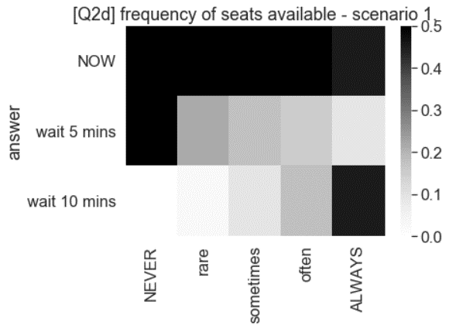
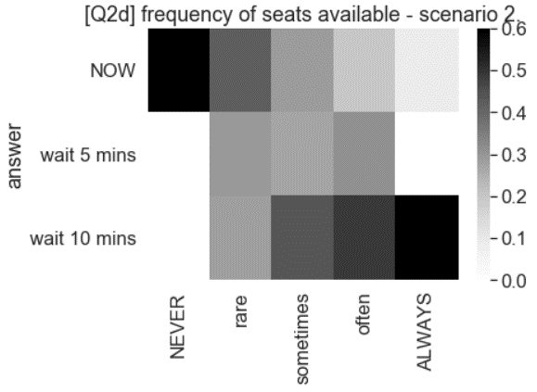
Q2d | CASE (A): 3 vs. 2 |  |  |  |  | Q2d | CASE (A): 3 vs. 2
 | 1 - NEVER | 2 - rarely | 3 - sometimes | 4 - often | 5 - ALWAYS | [% answers] | 1 - NEVER | 2 - rarely | 3 - sometimes | 4 - often | 5 - ALWAYS
NOW | 6 | 354 | 756 | 462 | 30 | NOW | 50% | 76% | 73% | 66% | 45%
wait 5 mins | 6 | 102 | 186 | 108 | 6 | wait 5 mins | 50% | 22% | 18% | 16% | 9%
wait 10 mins | 0 | 12 | 96 | 126 | 30 | wait 10 mins | 0% | 3% | 9% | 18% | 45%

Q2d | CASE (B): 4 vs. 3 |  |  |  |  | Q2d | CASE (B): 4 vs. 3
 | 1 - NEVER | 2 - rarely | 3 - sometimes | 4 - often | 5 - ALWAYS | [% answers] | 1 - NEVER | 2 - rarely | 3 - sometimes | 4 - often | 5 - ALWAYS
NOW | 12 | 198 | 300 | 138 | 6 | NOW | 100% | 42% | 29% | 20% | 9%
wait 5 mins | 0 | 138 | 282 | 216 | 0 | wait 5 mins | 0% | 29% | 27% | 31% | 0%
wait 10 mins | 0 | 132 | 456 | 342 | 60 | wait 10 mins | 0% | 28% | 44% | 49% | 91%

[Q2e] empty trip – multiple seats available

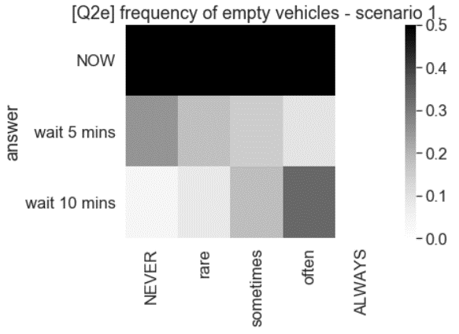
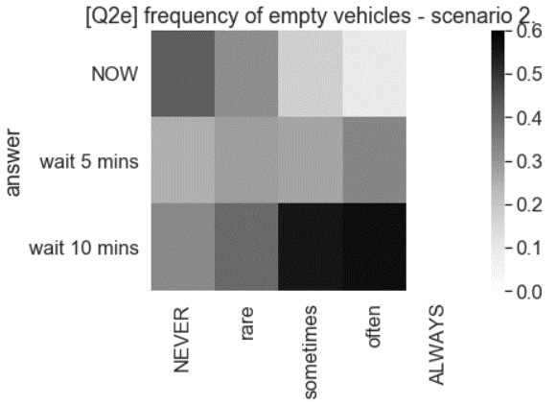
Q2e | CASE (A): 3 vs. 2 |  |  |  |  | Q2e | CASE (A): 3 vs. 2
 | 1 - NEVER | 2 - rarely | 3 - sometimes | 4 - often | 5 - ALWAYS | [% answers] | 1 - NEVER | 2 - rarely | 3 - sometimes | 4 - often | 5 - ALWAYS
NOW | 222 | 948 | 366 | 72 | 0 | NOW | 71% | 73% | 66% | 57% | 0%
wait 5 mins | 78 | 234 | 84 | 12 | 0 | wait 5 mins | 25% | 18% | 15% | 10% | 0%
wait 10 mins | 12 | 108 | 102 | 42 | 0 | wait 10 mins | 4% | 8% | 18% | 33% | 0%

Q2e | CASE (B): 4 vs. 3 |  |  |  |  | Q2e | CASE (B): 4 vs. 3
 | 1 - NEVER | 2 - rarely | 3 - sometimes | 4 - often | 5 - ALWAYS | [% answers] | 1 - NEVER | 2 - rarely | 3 - sometimes | 4 - often | 5 - ALWAYS
NOW | 132 | 414 | 96 | 12 | 0 | NOW | 42% | 32% | 17% | 10% | 0%
wait 5 mins | 78 | 366 | 150 | 42 | 0 | wait 5 mins | 25% | 28% | 27% | 33% | 0%
wait 10 mins | 102 | 510 | 306 | 72 | 0 | wait 10 mins | 33% | 40% | 55% | 57% | 0%

